Sheet1
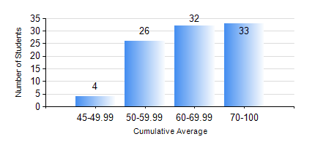
 |  |  | KWAME NKRUMAH UNIVERSITY OF SCIENCE AND TECHNOLOGY, KUMASI Department of Telecommunication Engineering

 |  |  | BSC. TELECOMMUNICATION ENG.

 |  |  | COMPREHENSIVE RECORD OF EXAMINATION RESULTS

 |  |  | RESULTS OF YEAR 3 SECOND SEMESTER, 2020/2021 ACADEMIC YEAR

 | Sn | Course Code |  | Course Name | Credit Hours | Min. Mark | Max. Mark | Avg. Mark | Std. Dev. | No. Passed | No. Trailed | No. (Df) | No. (I) | No. (I*) | No. Tagged(I,I*,Df) | Total
 | 0. |  |  |  |  |  |  | 0 | 0 | 0 | 0 | 0 | 0 | 0 | 0 | 2
 | 1. | TE 362 |  | TELECOMMUNICATION INFRASTRUCTURE | 2 | 24 | 93 | 65 | 14.37 | 88 | 4 | 0 | 1 | 0 | 1 | 93
 | 2. | TE 364 |  | COMMUNICATION CIRCUITS | 2 | 29 | 84 | 61 | 11.39 | 89 | 3 | 0 | 1 | 0 | 1 | 93
 | 3. | TE 372 |  | ANTENNAS AND PROPAGATION | 3 | 40 | 98 | 66 | 14.21 | 92 | 0 | 0 | 1 | 0 | 1 | 93
 | 4. | TE 382 |  | DATA COMMUNICATION NETWORKS | 3 | 11 | 85 | 56 | 14.23 | 88 | 4 | 0 | 1 | 0 | 1 | 93
 | 5. | TE 384 |  | SWITCHING ENGINEERING IN COMMUNICATION | 3 | 28 | 96 | 73 | 15.24 | 88 | 4 | 0 | 1 | 0 | 1 | 93
 | 6. | TE 386 |  | DIGITAL COMMUNICATION SYSTEMS | 3 | 3 | 97 | 61 | 19.83 | 82 | 10 | 0 | 1 | 0 | 1 | 93
 | 7. | TE 392 |  | TELECOMMUNICATION LAB IV | 2 | 60 | 94 | 78 | 8.8 | 93 | 0 | 0 | 0 | 0 | 0 | 93

